1. Title Page
[Project Name]

Project Name: Instacart Analysis
Date: Dec/Jan 2022
Analyst Name: Heather Muessle

Contents:
Population Flow
Consistency checks
Wrangling steps
Column derivations
Visualizations
Recommendations

Works Cited: : “The Instacart Online Grocery Shopping Dataset 2017”, Accessed from https://www.instacart.com/datasets/grocery-shopping-2017 on <date>.

2. Population Flow
Title page

Population flow

Exclusion flag
Condition: max_order < 5
Obervations to be removed: 1,440,295
Final total count of order_products_all: 30,964,564

Orders_products_combined
Orders_products_merged
Orders_products_all

Total: 32,404,859
Total: 32,434,489
Total: 32,404,859

1.) The grey boxes in the first row of the population flow represent the original data sets as they were when you downloaded them. In the Total fields you need to add the count of the rows when you imported the data set into Jupyter.
2.) The second row of boxes (coloured) represents the data sets after you manipulated them, e.g., removed missing values and duplicates. In the Total fields you need to add the count of the rows after conducting these operations. This offers a visual oveview of how the data flows throughout the data consistency checks.
3.) The third row, where also the arrows are coloured, represents the merges you performed between the datasets. In the Total fields you need to add the count of the rows in the merged datasets, so that you end up with the final dataset (in the red box). Keep in mind the final dataset should be without exclusions (based on the exclusion flag).

3. Consistency checks
 |  |  |  | Title page
Consistency checks

Dataset | Missing values | Missing values treatment | Duplicates
orders | n/a | n/a | n/a
products | 16 product names | Removed - very small % of data set | 5 rows, removed
orders_products_prior | n/a | n/a | n/a
customers | n/a | n/a | n/a

4. Wrangling steps
 |  |  |  | Title page
Wrangling steps

Columns dropped | Columns renamed | Columns' type changed | Comment/Reason
orders: eval_set |  |  | Not useful to our project
 | orders: order_dow to day of week |  | Easier to interpret
 |  | orders: order_id to string | ID numbers are better handled as a string
 |  | orders: user_id to string | See above
 | orders: days_since_prior_order to last_order |  | More intuitive
final: first and last names |  |  | Privacy reasons
 | customers: n_dependants to n_dependents |  | Spelling error
 | customers: fam_status to marital_status |  | More intuitive
 | customers: income to annual_income |  | More specific
 |  | customers: first_name | Mixed type corrected to all strings

5. Column derivations
 |  |  |  | Title page

Column derivations and aggregations

In this tab you should add tables below that the frequences of flags/label variables that you produced after deriving them. NB: don't do this for continuous variables, only for flags.
Dataset | New column | Column/s it was derived from | Conditions
ords_prods_merged | price_range | prices | Price less than 5, between 5 and 15, or more than 15
ords_prods_merged | busiest_day | order_day_of_week | Based on value counts for DOW
ords_prods_merged | busiest_period_of_day | order_hour_of_day | Based on orders per hour
ords_prods_merged | loyalty_flag | user_id and order_number | Based on the # of orders a customer has placed
ords_prods_merged | spender_type | user_id and avg_spent_per_item | Based on whether they buy items that average above or below $10
ords_prods_merged | frequency_flag | user_id and days_since_last_order | Based on how frequently they place orders
ords_prods_custs | active_flag | user_id and max_order | If they have placed more or less than 5 orders
ords_prods_custs | region | state | Based on criteria provided

6. Visualizations
 |  | Title page

Visualisations

In this tab you should include all the visualtions from Exercises 4.9 and 4.10, alongside the questions from the project brief that they answer. Include any commentary on the relationship between different variables.

N.B. Many more charts were generated in the Jupyter notebook as I analyzed this data, but were only included here if they showed a significant difference or something important. Otherwise, we would have dozens of bar charts showing that all groups were about the same on metrics like order frequency or average spent per item. The codes are still in the notebook, however.

This shows us the average number of orders per hour of the day. You can see they peak in the late morning/mid afternoon and reach a low in the middle of the night
Answers: question 1


This chart shows us what the busiest days of the week are in terms of order number. We see it peak around the weekend and dip in the middle of the work week
Answers: question 1

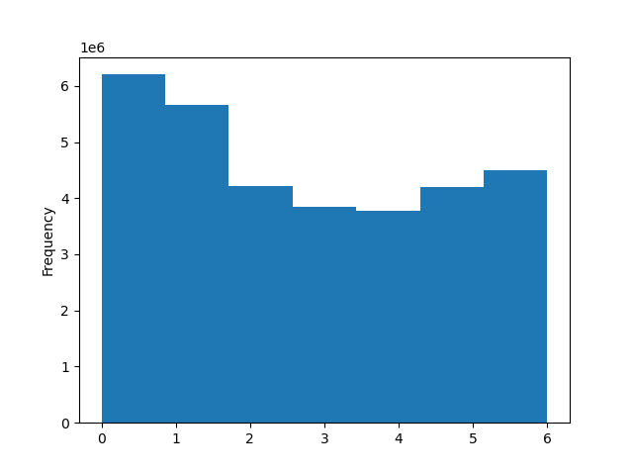

Interestingly, while the fewest orders are being placed in the middle of the night, people tend to buy the highest ticket items early in the morning
Answers: question 2
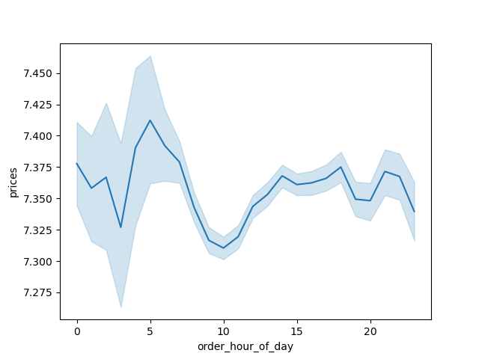

Produce is by far the most common department shopped in, followed by dairy/eggs, snacks, and household goods. 'Other' and bulk items make up the least shopped for items.
Answers: question 4
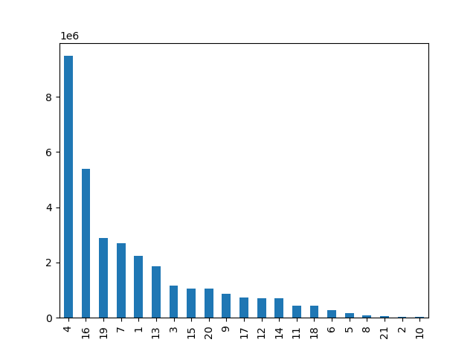

This shows the exact value counts of how many users are new, regular, and loyal. I took the original dataframe, made a new one that contained only user ID and loyalty flag, then removed duplicates. This tells us how many users are in each loyalty flag category as opposed to how many items have been ordered from a given category.
Answers: question 5a
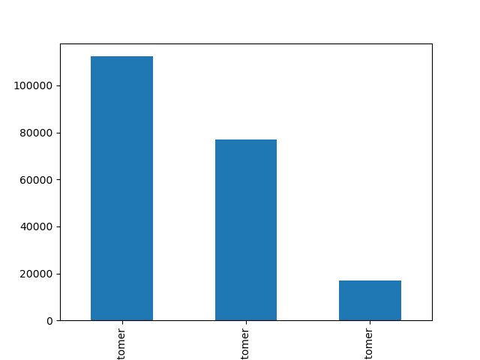

 | From largest to smallest: new customers, regular customers, loyal customers

However: regular customers order the most individual items, likely by placing larger orders. New customers make up most of the user base, but tend to have smaller orders.
Answers: question 5b


 | From largest to smallest: regular, loyal, and new customers

Region does not appear to impact the amount a user spends per order or what they spend per item…
Answers: question 5c
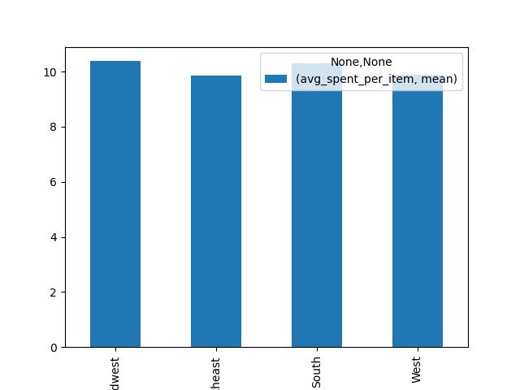
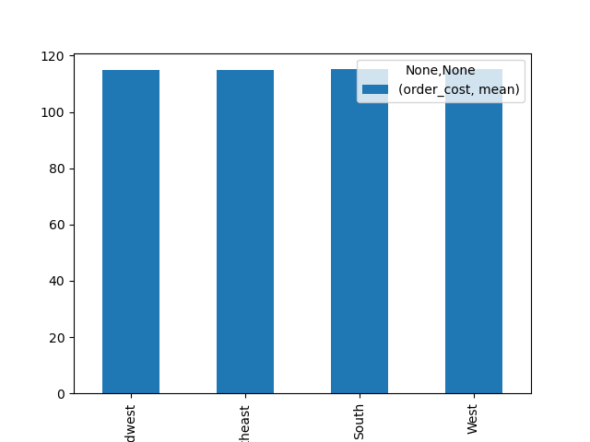

…but it does impact how loyal a user is, with most of our loyal users living in the south
Answers: question 5c
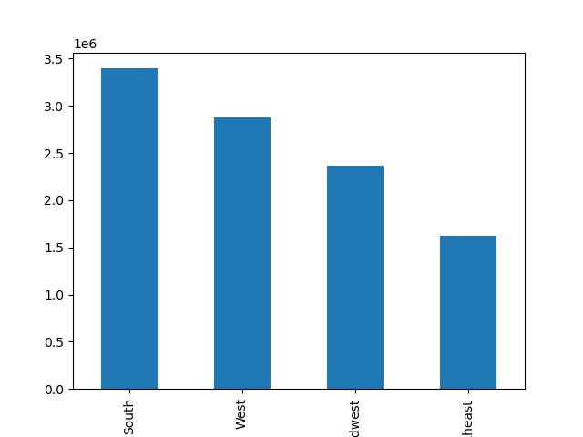

After a lot of comparing metrics such as average order cost, average spent per item, and order frequency, only a few differences between any demographics could be teased out
Categories were based off of age, number of dependents, and annual income
Answers: questions 5d, e, and f

In this chart, we see a difference in how much a given customer spends per item on average based on their demographic profile. Wealthy families buy the priciest items, while low income families buy the cheapest items
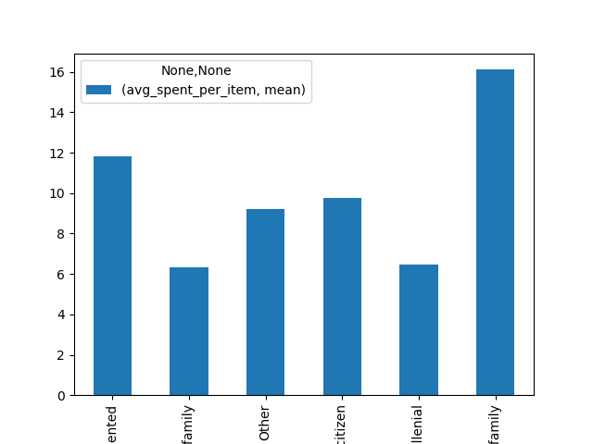

 | From left to right: career-oriented, low-income family, other, senior citizen, millenial, and wealthy family

Among the most expensive orders, there is a tendency to increase in order cost as your age goes up, but it's rather slight
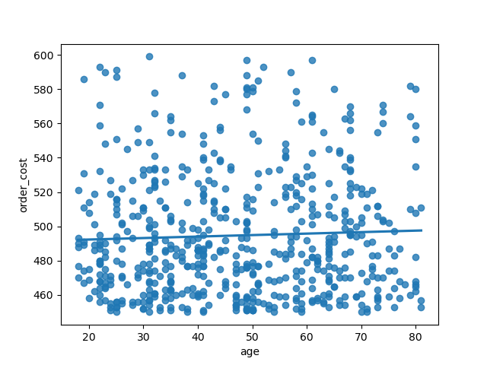

While as a whole, the number of orders didn't differ much based on generation, more loyal customers come from the older generations
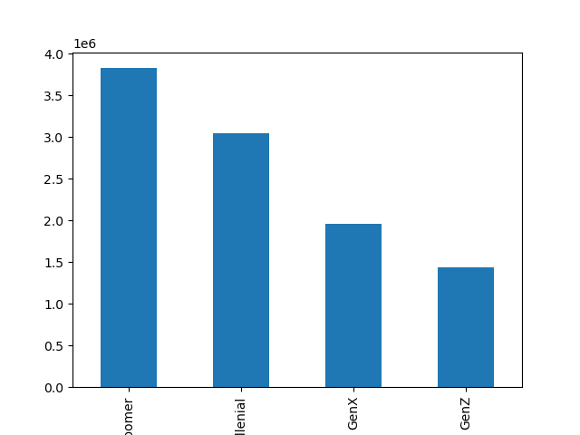


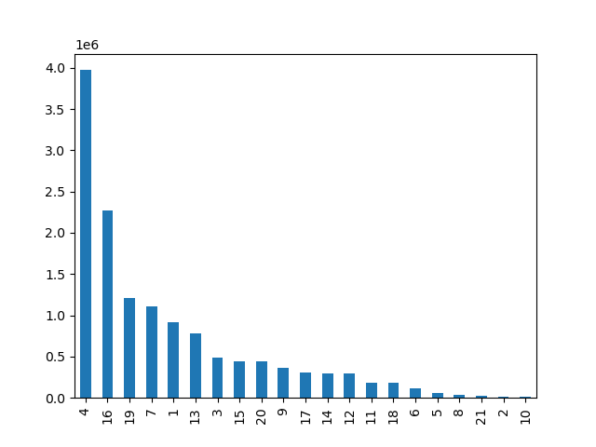
The company wants to target ads based on most common departments shopped in. However, analysis reveals that departments shopped in don't differ between any demographic
For example, on the right, we see the department counts of the data overall, then the departments favored by older people, then the departments favored by young people. There's not much difference at all.

7. Recommendations
 |  | Title page

Recommendations

In this tab you should include any recommendations you would made to Instcart in terms of their marketing strategy based on the questions posed in the brief. Every key question has been covered in the Tasks of the Exercises - here you need to add an item - a visualisation or table/crosstable that is showing the answer in the data, acompanied by a comment from you. Please, list the questions below and add the answer underneath.

Question | Answer
Key Question 1 | The busiest days are over the weekend, while the busiest hours are late morning to late afternoon. Midweek sees the fewest orders as does, predictably, the middle of the night. See the first and second charts in the Visualizations tab
Recommendation: More promotions could be run on the slower days (coupons, free delivery, etc). The hours may not be as workable, however, as people tend to be asleep and very few stores are open.
Key Question 2 | The most money spent per item is actually around 5am. See the third chart in the previous tab.
Recommendation: Instacart should start selling cocaine. Just kidding. They could, however, push the pricier items early in the morning.
Key Question 3 | Produce is the most commonly shopped department, followed by dairy/eggs and snacks. See the fourth chart in the previous tab.
Recommendation: Since bulk items don't sell all that much, Instacart may do well to drop offering them entirely. Since produce and eggs/dairy are so popular, however, Instacart could have a sort of 'Recipes' feature: you buy the raw ingredients from the popular departments, and Instacart gives you a recipe to make with them and a discount on all the other ingredients in that recipe (like pasta, chicken breast, etc)
Key Question 4 | Instacart has the greatest amount of new customers, then regular users, then loyal users. See the fifth chart in the previous tab.
With so many new users, retention will be key. A loyalty program to incentivize users to keep coming back might do Instacart well
Key Question 5 | Regular users tend to order more items at a time, while new users, despite making up most of the customer base, place smaller orders. See the visualization in the previous tab
To increase order size, coupons or bundles could be offered -- buy two boxes of X cereal, get a gallon of milk for $1 off, for example, or buy X number of items and get free delivery
Key Question 6 | Most of our loyal customers are from the south; however no difference could be found in terms of money spent, order frequency, etc
Regional data could be effected simply by price differences in the region -- groceries are way more expensive in California than in Texas, so a similar average spent per item might not mean what we think it does. More research should be done.
Key Question 7 | The only links between demographic information and spending habits were that wealthy families (above 75k annually and having dependents) spent the highest amount per item, while low-income families (income below 50k and having dependents) spent the least per item.
Recommendation: Targeted ads should focus on language like 'decadent', 'luxury', or 'high-quality' for bigger per-item spenders, vs language like 'bargain', 'cost-effective', and 'long-lasting' for more conservative spenders
 | Additionally, the younger you are, the less likely you are to use Instacart, with boomers making up most of the userbase and GenZers making up the least
Recommendation: Push the convenience element to the younger generations, who may be more likely to work multiple jobs, be in school, etc. They might also simply need a snappier, more 'youthful' approach to their marketing and image.
 | Departments shopped in does not vary based on any demographic information. See the charts in the previous tab for reference.
Recommendation: As much as the marketing team wanted to push certain products to certain demographics, the data does not indicate that this will be successful. If money and time allows, more data and more profiles could help make this happen (if you knew a user had a child under 3, you could advertise diapers, for example), but as is, Instacart should focus their targeted advertising on pricey vs inexpensive products, loyalty programs or discounts to turn new users into loyal ones, and appealing Instacart as a concept more to the younger generations.

